BERTHING SITE LINK
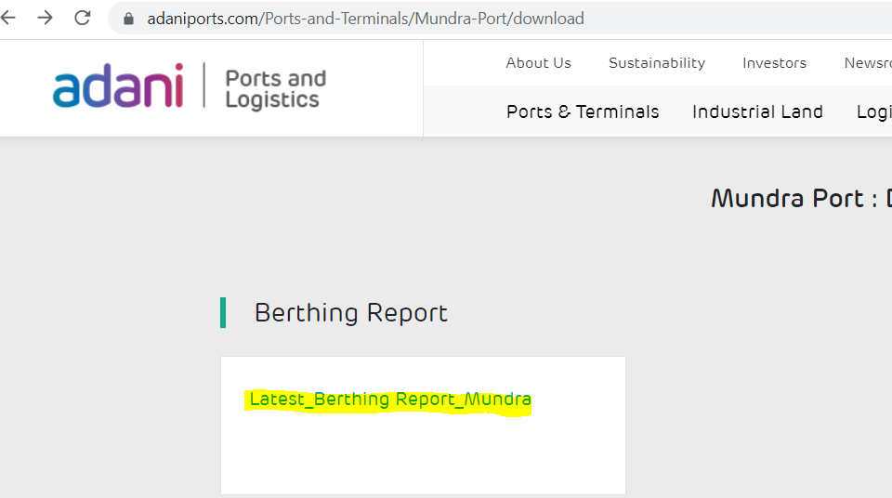
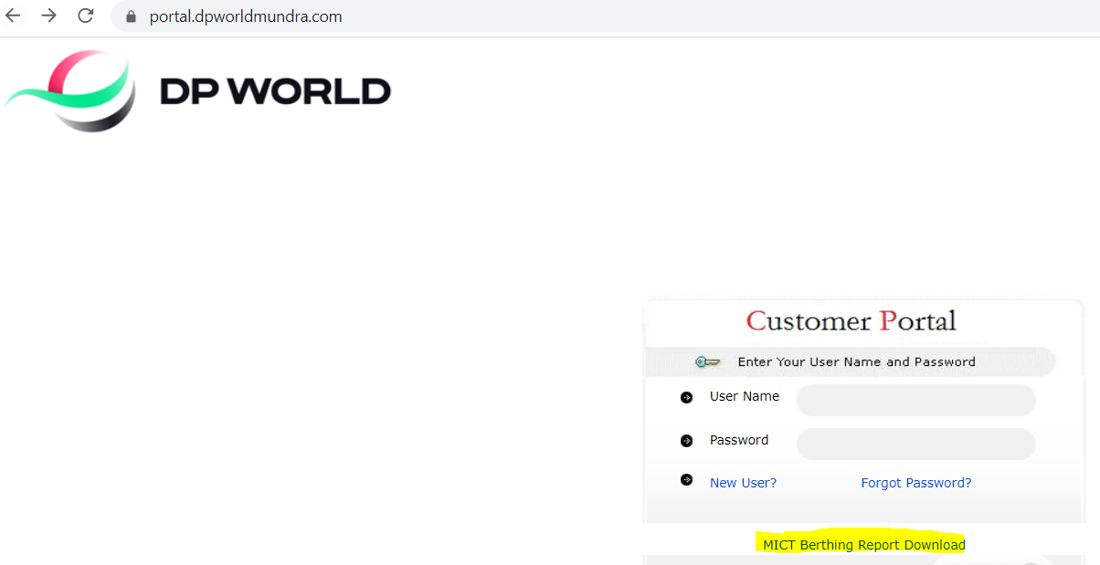
4 TERMINALS | MICT TERMINAL
https://www.adaniports.com/Ports-and-Terminals/Mundra-Port/download | https://portal.dpworldmundra.com/

